Sheet1
 | Document No. |  | Issue No. | Issue Date |  | Review and Replace Date |  | Authorised By
 | GFF369MC |  | 1 | 23.09.2022 |  | New Issue
 | Document Title |  | Spicy Chicken Bites W/Spicy Tomato Dip | 220G
 |  |  |  |  |  |  |  | Magda Shah
Document amendments reason for change | New product launch |  | Page 1 of 1 |  | Previous Issue Date |  | New Issue | Uncontrolled copy unless signed original

CCSBI-R1TEB |  | BOOTHS - XMAS |  | Spicy Chicken Bites W/Spicy Tomato Dip | 220G

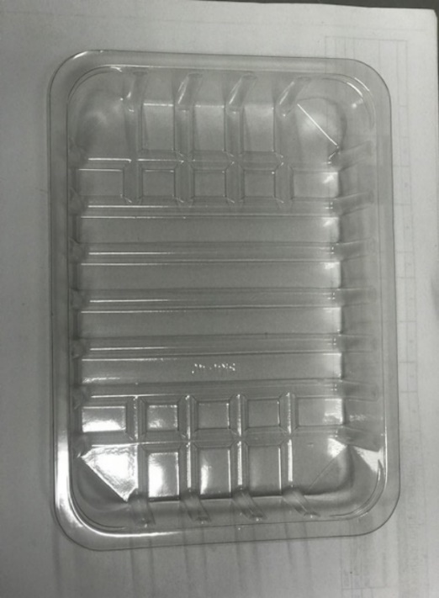 |  |  | 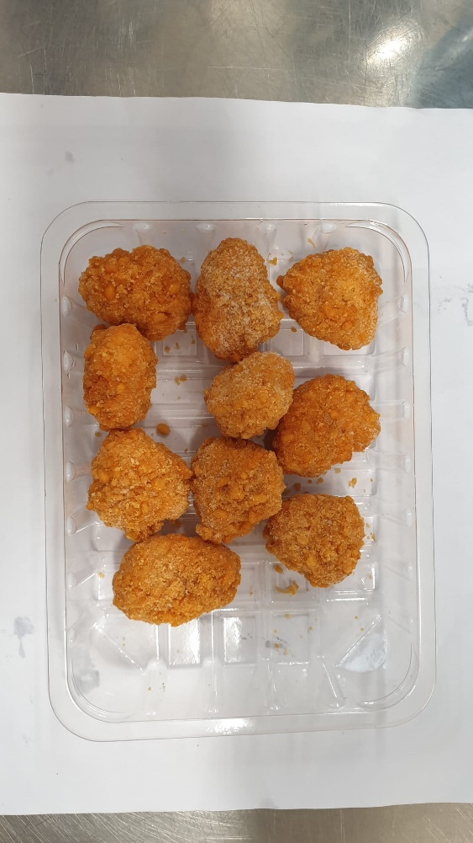

Tray: SK4-Plain Clear (PKESS001-07) Film: K-peel 7G+25A/f-275mm (PKKMP001-03) |  |  | 10XHot & Spicy Chicken Bites (15G-17G)-(RMCKF001-02)-180g
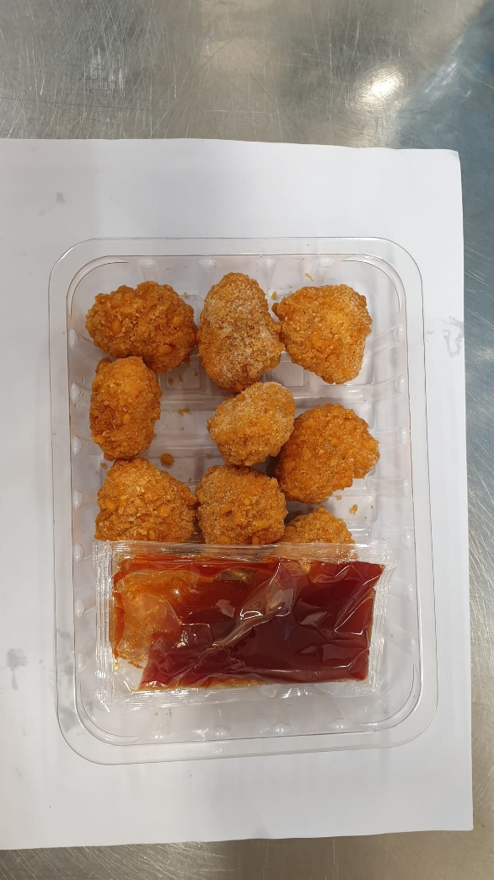
1XSpicy Tomato Dip (RMJAR001-01)-40g |  |  |  |  |  |  | Total Weight: 220g
ALLERGY ALERT: Sulphites,Wheat

